26.04.2023
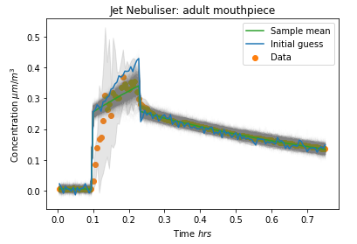
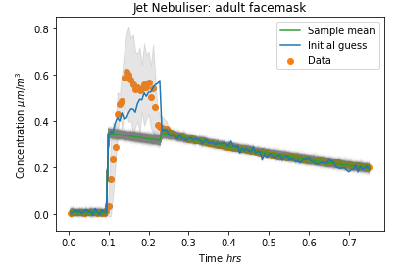
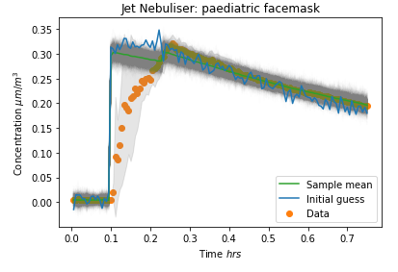
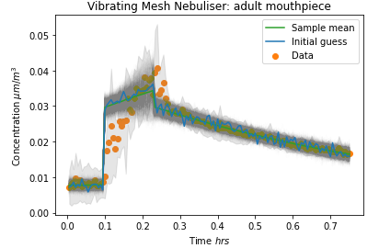
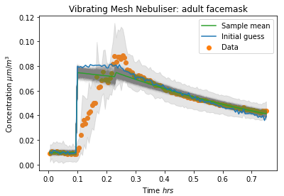
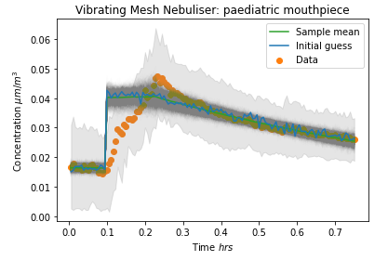
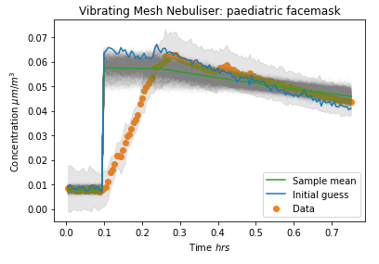
 |  |  |  |  |  |  |  |  |  |  |  |  |  |  | + | -
Column1 | V | Pre-neb time | Noise (sigma) | Max Mass conc. | E_estimate | k_estimate | lambda_estimate | p | pop size | k_fraction | max_nr_pop | E_model | k_model | lambda_model | Emission rate from raw data | Decay rate from raw data
JN_ad_mp | 44.34 | 6 | 0.01 | 0.4 | 80 | 0.25 | 1.2 | 1 | 1000 | 0.3 | 15 | 43.51 | 0.26 | 1.24 | 1.3745 | -0.1362
JN_ad_fm | 44.34 | 6 | 0.01 | 0.6 | 100 | 0.35 | 1.174 | 1 | 1000 | 0.3 | 15 | 6.68 | 0.35 | 1.09 | 1.1913 | -0.117
JN_pd_fm | 44.34 | 6 | 0.01 | 0.3 | 1.74 | 0.3 | 0.84 | 1 | 1000 | 0.3 | 15 | 1.74 | 0.30 | 0.84 | 1.5529 | -0.1093
VMN_ad_mp | 44.34 | 6 | 0.001 | 0.04 | 3.7445 | 0.0298 | 1.1516 | 1 | 1000 | 0.3 | 15 | 1.96 | 0.03 | 1.17 | 0.6612 | -0.1357
VMN_ad_fm | 44.34 | 6 | 0.001 | 0.09 | 5 | 0.08 | 1.45 | 1 | 1000 | 0.3 | 15 | 2.05 | 0.07 | 1.15 | 1.1597 | -0.143
VMN_pd_mp | 44.34 | 6 | 0.001 | 0.05 | 1.7822 | 0.04073 | 0.9038 | 1 | 1000 | 0.3 | 15 | 1.47 | 0.04 | 0.91 | 0.6915 | -0.1103
VMN_pd_fm | 44.34 | 6 | 0.001 | 0.06 | 1.83 | 0.0625 | 0.559 | 1 | 1000 | 0.3 | 15 | 1.83 | 0.06 | 0.50 | 1.3665 | -0.0804

04.05.2023
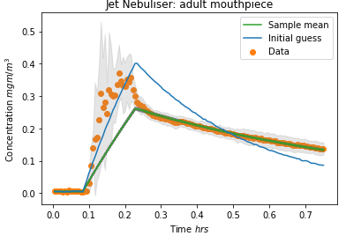
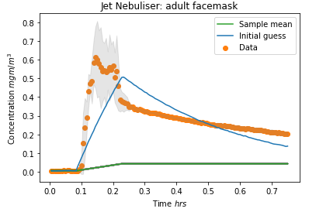
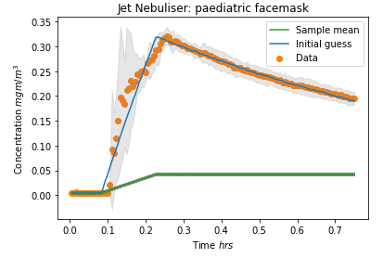
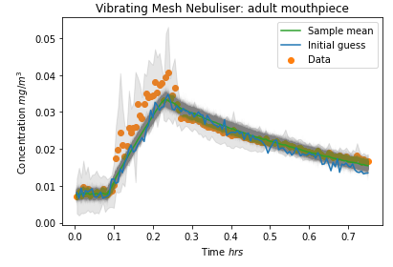
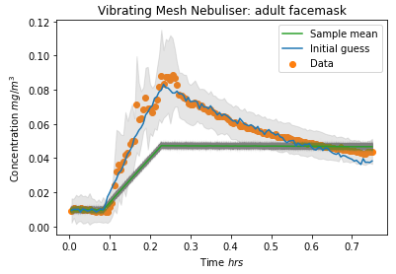
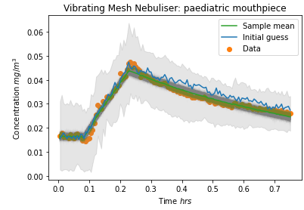
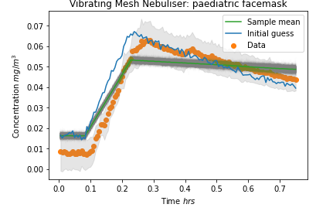
26.04.2023 | Neb Scenario | V | Pre-neb time | Noise (sigma) | Inital Conc. | Max Mass conc. | E_estimate | k_estimate | lambda_estimate | p | pop size | k_fraction | max_nr_pop | E_model | k_model | lambda_model | Emission rate from raw data | Decay rate from raw data
 | JN_ad_mp | 44.34 | 6 | 0.01 | 0.0054 | 0.4 | 80 | 0.25 | 1.2 | 1 | 1000 | 0.3 | 15 | 43.51 | 0.26 | 1.24 | 1.3745 | -0.1362
 | JN_ad_fm | 44.34 | 6 | 0.01 | 0.0059 | 0.6 | 100 | 0.35 | 1.174 | 1 | 1000 | 0.3 | 15 | 6.68 | 0.35 | 1.09 | 1.1913 | -0.117
 | JN_pd_fm | 44.34 | 6 | 0.01 | 0.0044 | 0.3 | 1.74 | 0.3 | 0.84 | 1 | 1000 | 0.3 | 15 | 1.74 | 0.30 | 0.84 | 1.5529 | -0.1093
 | VMN_ad_mp | 44.34 | 6 | 0.001 | 0.0078 | 0.04 | 3.7445 | 0.0298 | 1.1516 | 1 | 1000 | 0.3 | 15 | 1.96 | 0.03 | 1.17 | 0.6612 | -0.1357
 | VMN_ad_fm | 44.34 | 6 | 0.001 | 0.0098 | 0.09 | 5 | 0.08 | 1.45 | 1 | 1000 | 0.3 | 15 | 2.05 | 0.07 | 1.15 | 1.1597 | -0.143
 | VMN_pd_mp | 44.34 | 6 | 0.001 | 0.0164 | 0.05 | 1.7822 | 0.04073 | 0.9038 | 1 | 1000 | 0.3 | 15 | 1.47 | 0.04 | 0.91 | 0.6915 | -0.1103
 | VMN_pd_fm | 44.34 | 6 | 0.001 | 0.0080 | 0.06 | 1.83 | 0.0625 | 0.559 | 1 | 1000 | 0.3 | 15 | 1.83 | 0.06 | 0.50 | 1.3665 | -0.0804

04.05.2023 | Neb Scenario | V | Pre-neb time | Noise (sigma) | Inital Conc. | Max Mass conc. | E_estimate | k_estimate | lambda_estimate | p | pop size | k_fraction | max_nr_pop | E_model | k_model | lambda_model | Comparison
 | JN_ad_mp | 38.42 | 5 | 0.001 | 0.0054 | 0.4 | 130 | 0.2 | 3 | 1 | 1000 | 0.3 | 15 | 74.48 | 0.49 | 1.29 | Good
 | JN_ad_fm | 38.42 | 5 | 0.001 | 0.0059 | 0.6 | 160 | -0.019 | 2.56 | 1 | 1000 | 0.3 | 15 | 9.96 | 2.50 | 0.01 | Very off
 | JN_pd_fm | 38.42 | 5 | 0.001 | 0.0044 | 0.3 | 90 | 0.3 | 1 | 1 | 1000 | 0.3 | 15 | 9.96 | 2.58 | 0.01 | Very off
 | VMN_ad_mp | 38.42 | 5 | 0.001 | 0.0078 | 0.04 | 8 | 0.0298 | 1.64 | 1 | 1000 | 0.3 | 15 | 7.93 | 2.50 | 1.50 | good
 | VMN_ad_fm | 38.42 | 5 | 0.001 | 0.0098 | 0.09 | 22 | 0.08 | 1.54 | 1 | 1000 | 0.3 | 15 | 9.97 | 2.49 | 0.02 | Off
 | VMN_pd_mp | 38.42 | 5 | 0.001 | 0.0164 | 0.05 | 9 | 0.04073 | 1 | 1 | 1000 | 0.3 | 15 | 8.48 | 2.34 | 1.12 | good
 | VMN_pd_fm | 38.42 | 5 | 0.001 | 0.0080 | 0.06 | 15 | 0.0625 | 1 | 1 | 1000 | 0.3 | 15 | 9.95 | 2.47 | 0.16

04.05.2023-corrected
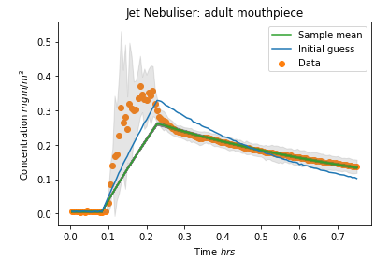
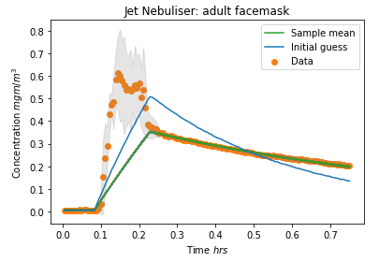
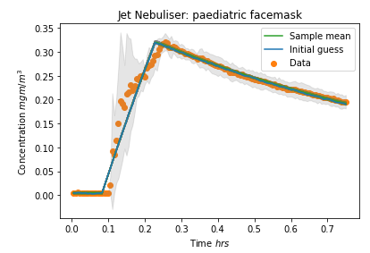
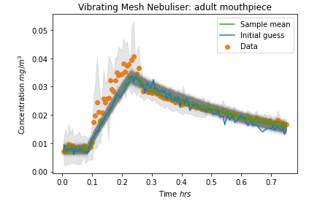
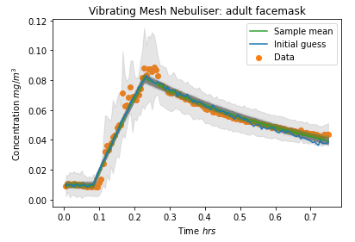
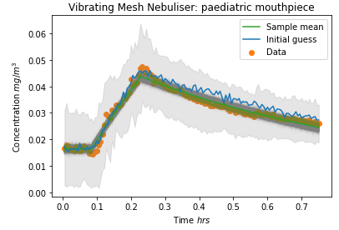
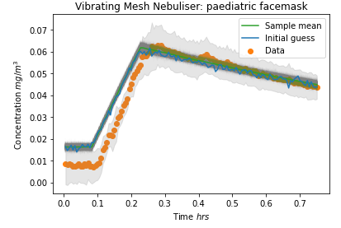
26.04.2023 | Neb Scenario | V | Pre-neb time | Noise (sigma) | Inital Conc. | Max Mass conc. | E_estimate | k_estimate | lambda_estimate | p | pop size | k_fraction | max_nr_pop | E_model | k_model | lambda_model | Emission rate from raw data | Decay rate from raw data
 | JN_ad_mp | 44.34 | 6 | 0.01 | 0.0054 | 0.4 | 80 | 0.25 | 1.2 | 1 | 1000 | 0.3 | 15 | 43.51 | 0.26 | 1.24 | 1.3745 | -0.1362
 | JN_ad_fm | 44.34 | 6 | 0.01 | 0.0059 | 0.6 | 100 | 0.35 | 1.174 | 1 | 1000 | 0.3 | 15 | 6.68 | 0.35 | 1.09 | 1.1913 | -0.117
 | JN_pd_fm | 44.34 | 6 | 0.01 | 0.0044 | 0.3 | 1.74 | 0.3 | 0.84 | 1 | 1000 | 0.3 | 15 | 1.74 | 0.30 | 0.84 | 1.5529 | -0.1093
 | VMN_ad_mp | 44.34 | 6 | 0.001 | 0.0078 | 0.04 | 3.7445 | 0.0298 | 1.1516 | 1 | 1000 | 0.3 | 15 | 1.96 | 0.03 | 1.17 | 0.6612 | -0.1357
 | VMN_ad_fm | 44.34 | 6 | 0.001 | 0.0098 | 0.09 | 5 | 0.08 | 1.45 | 1 | 1000 | 0.3 | 15 | 2.05 | 0.07 | 1.15 | 1.1597 | -0.143
 | VMN_pd_mp | 44.34 | 6 | 0.001 | 0.0164 | 0.05 | 1.7822 | 0.04073 | 0.9038 | 1 | 1000 | 0.3 | 15 | 1.47 | 0.04 | 0.91 | 0.6915 | -0.1103
 | VMN_pd_fm | 44.34 | 6 | 0.001 | 0.0080 | 0.06 | 1.83 | 0.0625 | 0.559 | 1 | 1000 | 0.3 | 15 | 1.83 | 0.06 | 0.50 | 1.3665 | -0.0804

04.05.2023 | Neb Scenario | V | Pre-neb time | Noise (sigma) | Inital Conc. | Max Mass conc. | E_estimate | k_estimate | lambda_estimate | p | pop size | k_fraction | max_nr_pop | E_model | k_model | lambda_model | Comparison
 | JN_ad_mp | 38.42 | 5 | 0.001 | 0.0054 | 0.4 | 101 | 0.2 | 2.19 | 1 | 1000 | 0.3 | 15 | 74.42 | 0.50 | 1.29 | Good
 | JN_ad_fm | 38.42 | 5 | 0.001 | 0.0059 | 0.6 | 160 | -0.019 | 2.56 | 1 | 1000 | 0.3 | 15 | 99.66 | 2.60 | 1.11 | Good
 | JN_pd_fm | 38.42 | 5 | 0.001 | 0.0044 | 0.3 | 90 | 0.3 | 1 | 1 | 1000 | 0.3 | 15 | 90.19 | 2.69 | 0.99 | Good
 | VMN_ad_mp | 38.42 | 5 | 0.001 | 0.0078 | 0.04 | 8 | 0.0298 | 1.64 | 1 | 1000 | 0.3 | 15 | 7.91 | 2.27 | 1.49 | Good
 | VMN_ad_fm | 38.42 | 5 | 0.001 | 0.0098 | 0.09 | 22 | 0.08 | 1.54 | 1 | 1000 | 0.3 | 15 | 21.29 | 2.50 | 1.39 | Good
 | VMN_pd_mp | 38.42 | 5 | 0.001 | 0.0164 | 0.05 | 8.36 | 0.04073 | 1.05 | 1 | 1000 | 0.3 | 15 | 8.49 | 2.54 | 1.12 | Good
 | VMN_pd_fm | 38.42 | 5 | 0.001 | 0.0080 | 0.06 | 12.7 | 0.074 | 0.6 | 1 | 1000 | 0.3 | 15 | 9.95 | 2.47 | 0.16 | Good

05.05.2023
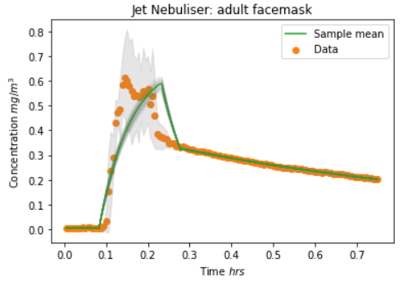
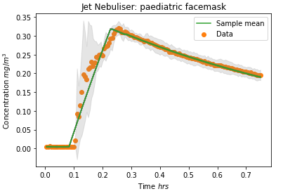
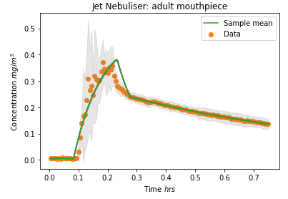
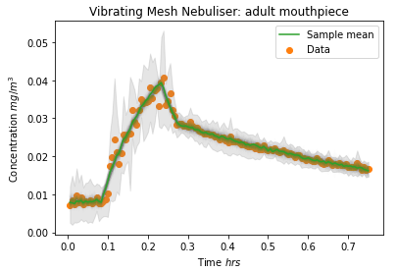
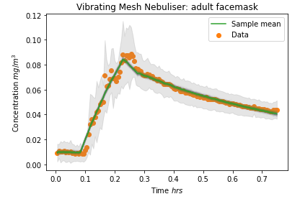
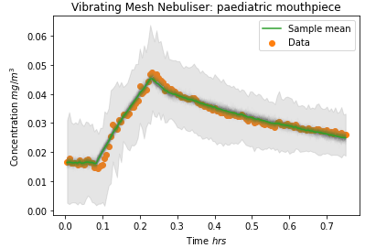
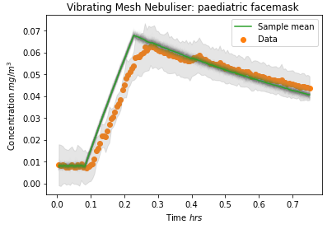
 | 04.05.2023 | Neb Scenario | V | Noise (sigma) | Inital Conc. | Max Mass conc. | E_estimate | k_estimate | lambda_estimate | p | pop size | k_fraction | max_nr_pop | E_model | k_model | lambda_model | Comparison
 |  | JN_ad_mp | 38.42 | 0.001 | 0.0054 | 0.4 | 101 | 0.2 | 2.19 | 1 | 1000 | 0.3 | 15 | 74.42 | 0.50 | 1.29 | Good
 |  | JN_ad_fm | 38.42 | 0.001 | 0.0059 | 0.6 | 160 | -0.019 | 2.56 | 1 | 1000 | 0.3 | 15 | 99.66 | 2.60 | 1.11 | Good
 |  | JN_pd_fm | 38.42 | 0.001 | 0.0044 | 0.3 | 90 | 0.3 | 1 | 1 | 1000 | 0.3 | 15 | 90.19 | 2.69 | 0.99 | Good
 |  | VMN_ad_mp | 38.42 | 0.001 | 0.0078 | 0.04 | 8 | 0.0298 | 1.64 | 1 | 1000 | 0.3 | 15 | 7.91 | 2.27 | 1.49 | Good
 |  | VMN_ad_fm | 38.42 | 0.001 | 0.0098 | 0.09 | 22 | 0.08 | 1.54 | 1 | 1000 | 0.3 | 15 | 21.29 | 2.50 | 1.39 | Good
 |  | VMN_pd_mp | 38.42 | 0.001 | 0.0164 | 0.05 | 8.36 | 0.04073 | 1.05 | 1 | 1000 | 0.3 | 15 | 8.49 | 2.54 | 1.12 | Good
 |  | VMN_pd_fm | 38.42 | 0.001 | 0.0080 | 0.06 | 12.7 | 0.074 | 0.6 | 1 | 1000 | 0.3 | 15 | 9.95 | 2.47 | 0.16 | Good

updated code - 2 part model | 05.05.2023 | Neb Scenario | V | Noise (sigma) | Inital Conc. | Max Mass conc. | E_estimate | lambda_1 | lambda_2 | p | pop size | k_fraction | max_nr_pop | E_model | lambda_12 | lambda_23 | Comparison
 |  | JN_ad_mp | 38.42 | 0.001 | 0.0054 | 0.4 | 205 | 11.6 | 0.97 | 1 | 1000 | 0.3 | 15 | 194.76 | 10.48 | 1.20 | Good
 |  | JN_ad_fm | 38.42 | 0.001 | 0.0059 | 0.6 | 408 | 16 | 0.7 | 1 | 1000 | 0.3 | 15 | 347.66 | 13.20 | 1.02 | Good
 |  | JN_pd_fm | 38.42 | 0.001 | 0.0044 | 0.3 | 110 | 3 | 0.95 | 1 | 1000 | 0.3 | 15 | 89.86 | 1.02 | 1.01 | Very Good
 |  | VMN_ad_mp | 38.42 | 0.001 | 0.0078 | 0.04 | 14 | 6 | 1 | 1 | 1000 | 0.3 | 15 | 15.37 | 7.21 | 1.16 | Very Good
 |  | VMN_ad_fm | 38.42 | 0.001 | 0.0098 | 0.09 | 24 | 2 | 1.39 | 1 | 1000 | 0.3 | 15 | 25.71 | 3.17 | 1.27 | Very Good
 |  | VMN_pd_mp | 38.42 | 0.001 | 0.0164 | 0.05 | 15 | 5 | 1 | 1 | 1000 | 0.3 | 15 | 10.72 | 2.57 | 1.04 | Very Good
 |  | VMN_pd_fm | 38.42 | 0.001 | 0.0080 | 0.06 | 18 | 1.5 | 0.8 | 1 | 1000 | 0.3 | 15 | 17.42 | 1.05 | 1.01 | Very Good

10.05.2023
Including ambient levels
Neb Scenario | V | Noise (sigma) | Inital Conc. | Max Mass conc. | E_estimate | lambda_1 | lambda_2 | p | pop size | max_nr_pop | E_model | lambda_12 | lambda_23 | Comparison
JN_ad_mp | 38.42 | 0.001 | 0.0054 | 0.4 | 205 | 11.6 | 0.97 | 1 | 1000 | 15 | 194.11 | 10.44 | 1.20
JN_ad_fm | 38.42 | 0.001 | 0.0059 | 0.6 | 408 | 16 | 0.7 | 1 | 1000 | 15 | 351.24 | 13.30 | 1.02
JN_pd_fm | 38.42 | 0.001 | 0.0044 | 0.3 | 110 | 3 | 0.95 | 1 | 1000 | 15 | 89.88 | 1.01 | 1.01
VMN_ad_mp | 38.42 | 0.001 | 0.0078 | 0.04 | 14 | 6 | 1 | 1 | 1000 | 15 | 15.38 | 7.22 | 1.16
VMN_ad_fm | 38.42 | 0.001 | 0.0098 | 0.09 | 24 | 2 | 1.39 | 1 | 1000 | 15 | 25.80 | 3.18 | 1.27
VMN_pd_mp | 38.42 | 0.001 | 0.0164 | 0.05 | 15 | 5 | 1 | 1 | 1000 | 15 | 10.72 | 2.57 | 1.04
VMN_pd_fm | 38.42 | 0.001 | 0.0080 | 0.06 | 18 | 1.5 | 0.8 | 1 | 1000 | 15 | 17.41 | 1.05 | 1.01
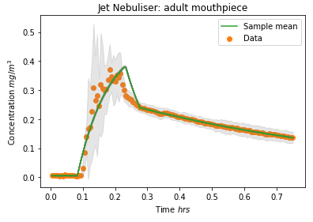

JN_ad_mp | V | Noise (sigma) | Inital Conc. | Max Mass conc. | E_estimate | lambda_1 | lambda_2 | p | pop size | max_nr_pop | E_model | lambda_12 | lambda_23
n1 | 38.42 | 0.001 | 0.0054 | 0.4 | 205 | 11.6 | 0.97 | 1 | 1000 | 15 | 195.13 | 10.50 | 1.195
n2 | 38.42 | 0.001 | 0.0054 | 0.4 | 205 | 11.6 | 0.97 | 1 | 1000 | 15 | 193.86 | 10.42 | 1.197
n3 | 38.42 | 0.001 | 0.0054 | 0.4 | 205 | 11.6 | 0.97 | 1 | 1000 | 15 | 193.04 | 10.38 | 1.197
n4 | 38.42 | 0.001 | 0.0054 | 0.4 | 205 | 11.6 | 0.97 | 1 | 1000 | 15 | 194.75 | 10.48 | 1.196
n5 | 38.42 | 0.001 | 0.0054 | 0.4 | 205 | 11.6 | 0.97 | 1 | 1000 | 15 | 193.77 | 10.43 | 1.194
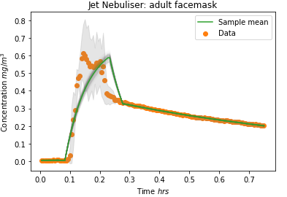
 |  |  |  |  |  |  |  |  |  | Average | 194.11 | 10.44 | 1.20
 |  |  |  |  |  |  |  |  |  | StDev | 0.83 | 0.04 | 0.00

JN_ad_fm | V | Noise (sigma) | Inital Conc. | Max Mass conc. | E_estimate | lambda_1 | lambda_2 | p | pop size | max_nr_pop | E_model | lambda_12 | lambda_23
n1 | 38.42 | 0.001 | 0.0059 | 0.6 | 408 | 16 | 0.7 | 1 | 1000 | 15 | 350.62 | 13.27 | 1.024
n2 | 38.42 | 0.001 | 0.0059 | 0.6 | 408 | 16 | 0.7 | 1 | 1000 | 15 | 352.25 | 13.33 | 1.024
n3 | 38.42 | 0.001 | 0.0059 | 0.6 | 408 | 16 | 0.7 | 1 | 1000 | 15 | 349.33 | 13.24 | 1.025
n4 | 38.42 | 0.001 | 0.0059 | 0.6 | 408 | 16 | 0.7 | 1 | 1000 | 15 | 352.03 | 13.34 | 1.022
n5 | 38.42 | 0.001 | 0.0059 | 0.6 | 408 | 16 | 0.7 | 1 | 1000 | 15 | 351.96 | 13.32 | 1.024
 |  |  |  |  |  |  |  |  |  | Average | 351.24 | 13.30 | 1.02
 |  |  |  |  |  |  |  |  |  | StDev | 1.24 | 0.04 | 0.00
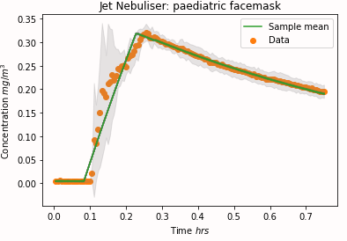

JN_pd_fm | V | Noise (sigma) | Inital Conc. | Max Mass conc. | E_estimate | lambda_1 | lambda_2 | p | pop size | max_nr_pop | E_model | lambda_12 | lambda_23
n1 | 38.42 | 0.001 | 0.0044 | 0.3 | 110 | 3 | 0.95 | 1 | 1000 | 15 | 89.89 | 1.01 | 1.006
n2 | 38.42 | 0.001 | 0.0044 | 0.3 | 110 | 3 | 0.95 | 1 | 1000 | 15 | 89.87 | 1.02 | 1.009
n3 | 38.42 | 0.001 | 0.0044 | 0.3 | 110 | 3 | 0.95 | 1 | 1000 | 15 | 89.88 | 1.01 | 1.008
n4 | 38.42 | 0.001 | 0.0044 | 0.3 | 110 | 3 | 0.95 | 1 | 1000 | 15 | 89.88 | 1.01 | 1.007
n5 | 38.42 | 0.001 | 0.0044 | 0.3 | 110 | 3 | 0.95 | 1 | 1000 | 15 | 89.87 | 1.02 | 1.009
 |  |  |  |  |  |  |  |  |  | Average | 89.8773974 | 1.01484 | 1.0080654
 |  |  |  |  |  |  |  |  |  | StDev | 0.0068072350334 | 0.0010935815013 | 0.0012922678902

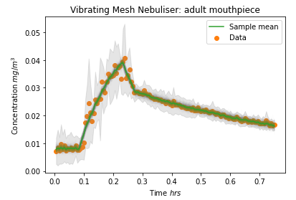

VMN_ad_mp | V | Noise (sigma) | Inital Conc. | Max Mass conc. | E_estimate | lambda_1 | lambda_2 | p | pop size | max_nr_pop | E_model | lambda_12 | lambda_23
n1 | 38.42 | 0.001 | 0.0078 | 0.04 | 14 | 6 | 1 | 1 | 1000 | 15 | 15.37 | 7.21 | 1.16
n2 | 38.42 | 0.001 | 0.0078 | 0.04 | 14 | 6 | 1 | 1 | 1000 | 15 | 15.36 | 7.19 | 1.17
n3 | 38.42 | 0.001 | 0.0078 | 0.04 | 14 | 6 | 1 | 1 | 1000 | 15 | 15.37 | 7.23 | 1.16
n4 | 38.42 | 0.001 | 0.0078 | 0.04 | 14 | 6 | 1 | 1 | 1000 | 15 | 15.38 | 7.22 | 1.16
n5 | 38.42 | 0.001 | 0.0078 | 0.04 | 14 | 6 | 1 | 1 | 1000 | 15 | 15.41 | 7.24 | 1.16
 |  |  |  |  |  |  |  |  |  | Average | 15.3795176 | 7.2190562 | 1.1626062
 |  |  |  |  |  |  |  |  |  | StDev | 0.019414712702 | 0.020876292144 | 0.0057622081878

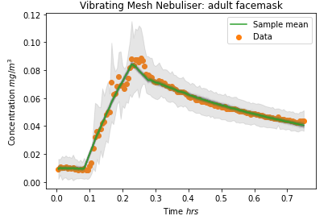
VMN_ad_fm | V | Noise (sigma) | Inital Conc. | Max Mass conc. | E_estimate | lambda_1 | lambda_2 | p | pop size | max_nr_pop | E_model | lambda_12 | lambda_23
n1 | 38.42 | 0.001 | 0.0098 | 0.09 | 24 | 2 | 1.39 | 1 | 1000 | 15 | 25.71 | 3.17 | 1.27
n2 | 38.42 | 0.001 | 0.0098 | 0.09 | 24 | 2 | 1.39 | 1 | 1000 | 15 | 25.85 | 3.21 | 1.27
n3 | 38.42 | 0.001 | 0.0098 | 0.09 | 24 | 2 | 1.39 | 1 | 1000 | 15 | 25.79 | 3.17 | 1.28
n4 | 38.42 | 0.001 | 0.0098 | 0.09 | 24 | 2 | 1.39 | 1 | 1000 | 15 | 25.80 | 3.18 | 1.27
n5 | 38.42 | 0.001 | 0.0098 | 0.09 | 24 | 2 | 1.39 | 1 | 1000 | 15 | 25.85 | 3.18 | 1.28
 |  |  |  |  |  |  |  |  |  | Average | 25.8020758 | 3.1801218 | 1.2718198
 |  |  |  |  |  |  |  |  |  | StDev | 0.058046149314 | 0.017288712118 | 0.0053768951729

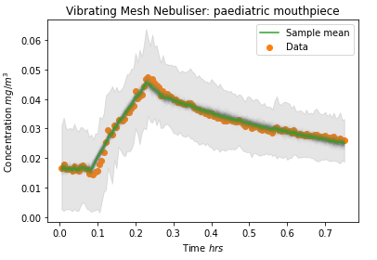
VMN_pd_mp | V | Noise (sigma) | Inital Conc. | Max Mass conc. | E_estimate | lambda_1 | lambda_2 | p | pop size | max_nr_pop | E_model | lambda_12 | lambda_23
n1 | 38.42 | 0.001 | 0.0164 | 0.05 | 15 | 5 | 1 | 1 | 1000 | 15 | 10.72 | 2.57 | 1.04
n2 | 38.42 | 0.001 | 0.0164 | 0.05 | 15 | 5 | 1 | 1 | 1000 | 15 | 10.77 | 2.60 | 1.04
n3 | 38.42 | 0.001 | 0.0164 | 0.05 | 15 | 5 | 1 | 1 | 1000 | 15 | 10.76 | 2.59 | 1.04
n4 | 38.42 | 0.001 | 0.0164 | 0.05 | 15 | 5 | 1 | 1 | 1000 | 15 | 10.65 | 2.55 | 1.04
n5 | 38.42 | 0.001 | 0.0164 | 0.05 | 15 | 5 | 1 | 1 | 1000 | 15 | 10.69 | 2.55 | 1.04
 |  |  |  |  |  |  |  |  |  | Average | 10.7191832 | 2.572957 | 1.0394252
 |  |  |  |  |  |  |  |  |  | StDev | 0.046504751168 | 0.023591514544 | 0.0020013737032

VMN_pd_fm | V | Noise (sigma) | Inital Conc. | Max Mass conc. | E_estimate | lambda_1 | lambda_2 | p | pop size | max_nr_pop | E_model | lambda_12 | lambda_23
n1 | 38.42 | 0.001 | 0.0080 | 0.06 | 18 | 1.5 | 0.8 | 1 | 1000 | 15 | 17.42 | 1.05 | 1.01
n2 | 38.42 | 0.001 | 0.0080 | 0.06 | 18 | 1.5 | 0.8 | 1 | 1000 | 15 | 17.40 | 1.05 | 1.00 |  | For t=6, instead of t=5 | For t=7, instead of t=5
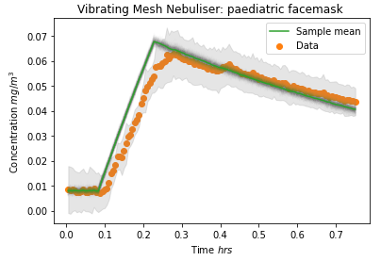
n3 | 38.42 | 0.001 | 0.0080 | 0.06 | 18 | 1.5 | 0.8 | 1 | 1000 | 15 | 17.39 | 1.04 | 1.01

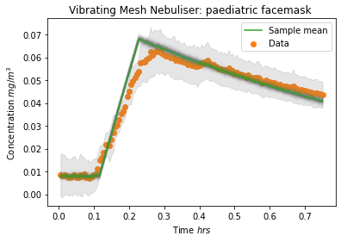
n4 | 38.42 | 0.001 | 0.0080 | 0.06 | 18 | 1.5 | 0.8 | 1 | 1000 | 15 | 17.41 | 1.05 | 1.01
n5 | 38.42 | 0.001 | 0.0080 | 0.06 | 18 | 1.5 | 0.8 | 1 | 1000 | 15 | 17.43 | 1.05 | 1.01
 |  |  |  |  |  |  |  |  |  | Average | 17.412069 | 1.047112 | 1.005566
 |  |  |  |  |  |  |  |  |  | StDev | 0.018116285464 | 0.004137308485 | 0.00055919719241

